Condiciones Operativas
Parámetro | Unidad | S-200
Sistema Extracción | - | BM
Bruta | m3/d | 6
Agua | m3/d | 4.8
Neta | m3/d | 1.2
Base último punzado | m | 1535
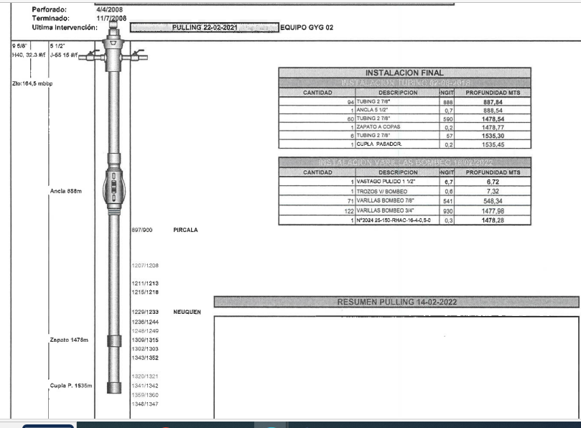
Fondo | m | 1655
Profundidad de la bomba | m | 1478 (estimado)
Tubing | pulg. | 2.875
Casing | pulg. | 5 1/2"
Nivel Dinámico | m | S/D
Temperatura BDP | °C | 25
Presión BDP | Kg/cm2 | 5
Temperatura FDP | °C | 75 (estimado)
Presión FDP | Kg/cm2 | 155 (estimado)

 |  | 1.1111111111

Comparación de costos
Tratamiento encapsulado |  |  |  |  |  |  | OYM PTO.DOSIF. TRAT.QUIM. 101A200 P/UNI |  |  |  | 308342.94281
TC | 861 |  |  |  |  |  | SERV. BATCHEO TRAT.QUIM. BP≤20KG P/UNI |  |  |  | 86894.933012
Cantidad [kgs] | 120 | 240
Costo [USD/kg] | 14.5 |  |  |  |  | Frecuancia mensual |  | 2
Servicio Batch [USD] | 1500 |  |  |  |  | Costo PQ + Scio Tto Batch |  |  | Costo PQ + Scio Tto Continuo
Servicio Continuo
Duración | 1 tambor | 2 tambores | Costo servicio unitario ME | Costo global 1tb | Costo global 2 tb | Costo PQ | Costo Batch [USD/mes] | Costo Global Tratamiento Batch [USD/mes] | Costo PQ | Costo OyM | Costo Global Tratamiento Continuo [USD/mes]
1 | 1,736 | 3,473 | 1,500 | 3,236 | 4,973 | 370 | 3000 | 3370 | 1327.97 |  | 1328
2 | 868 | 1,736 | 750 | 1,618 | 2,486 | 370 | 3000 | 3370 | 1327.97 |  | 1328
3 | 579 | 1,158 | 500 | 1,079 | 1,658 | 370 | 3000 | 3370 | 1327.97 |  | 1328
4 | 434 | 868 | 375 | 809 | 1,243 | 370 | 3000 | 3370 | 1327.97 |  | 1328
5 | 347 | 695 | 300 | 647 | 995 | 370 | 3000 | 3370 | 1327.97 |  | 1328 | Batch | Continuo
6 | 289 | 579 | 250 | 539 | 829 | 370 | 3000 | 3370 | 1327.97 |  | 1328 | -84% | -59%
7 | 248 | 496 | 214 | 462 | 710 | 370 | 3000 | 3370 | 1327.97 |  | 1328
8 | 217 | 434 | 188 | 405 | 622 | 370 | 3000 | 3370 | 1327.97 |  | 1328
9 | 193 | 386 | 167 | 360 | 553 | 370 | 3000 | 3370 | 1327.97 |  | 1328
10 | 174 | 347 | 150 | 324 | 497 | 370 | 3000 | 3370 | 1327.97 |  | 1328
11 | 158 | 316 | 136 | 294 | 452 | 370 | 3000 | 3370 | 1327.97 |  | 1328
12 | 145 | 289 | 125 | 270 | 414 | 370 | 3000 | 3370 | 1327.97 |  | 1328

Costo del Tratamiento vs duración (recambio de capsulas)
Tratamiento convencional continuo
PQ | lpd | lpmes
IPB650A | 7 | 213.5
CU |  | 6.22 |  |  |  |  |  | x | 6 | 0
Costo mes |  | 1327.97 |  |  |  |  |  | x | 6 | 6
 |  |  |  |  |  |  |  | y | 0 | 829
Tratamiento convencional batch |  |  |  |  |  |  |  | y | 829 | 829
PQ | lpbatch | lpmes
CYB589 | 25 | 100
CU |  | 3.7
Costo mes |  | 370

